clone means & corr
clone | htave | ht | ba | stemno
66 | 3.15 | 3.25 | 0.0615 | 1.71
74 | 2.39 | 2.51 | 0.0471 | 1.70
70 | 3.05 | 3.23 | 0.0455 | 1.25
69 | 1.39 | 1.39 | 0.0448 | 1.00
68 | 2.51 | 2.53 | 0.0438 | 1.25
67 | 1.62 | 1.62 | 0.0411 | 1.20
75 | 2.87 | 2.99 | 0.0392 | 1.33
71 | 4.58 | 4.55 | 0.0357 | 1.50
72 | 1.04 | 0.99 | 0.0352 | 1.29
73 | 3.45 | 3.66 | 0.0347 | 1.22
65 | 1.75 | 1.75 | 0.0340 | 1.00
64 | 3.56 | 3.21 | 0.0335 | 1.14
76 | 2.97 | 3.10 | 0.0286 | 1.40
63 | 4.33 | 4.36 | 0.0266 | 1.25
NM6 | 2.49 | 2.49 | 0.0259 | 1.00
62 | 5.96 | 5.96 | 0.0216 | 1.00

Sig corr highlighted in yellow.
Ht and avght highly correlated as expected.
Stem number correlated with BA; no surprise.
NS, but negative corr for BS and ht variables; a slight tendency for clones with higher mean BA to be a little shorter. Not surprising, carbon allocated to producing thicker stems diverted from ht growth.
Standard Pearson Corr Among Clone Means
 | ht | avght | ba | stemno
avght | 0.99508
avght | <.0001

ba | -0.37055 | -0.39576
ba | 0.1577 | 0.1292

stemno | 0.08271 | 0.05037 | 0.59375
stemno | 0.7607 | 0.853 | 0.0153

BA
 | var | var% | H2 | HSD (Tukey) Test |  |  |  |  | LSD Test (LSD=0.0208)
Var(rep) | 0 |  |  | Tukey |  | BA | N | clone | T Grouping |  |  |  | BA | N | clone
Var(clone) | 0.00005326 | 0.13 | 0.13
Var(Error) | 0.0003692 | 0.87 |  |  | A | 0.06152 | 7 | 66 |  |  | A |  | 0.06152 | 7 | 66
 | 0.00042246 |  |  |  | A |  |  |  |  |  | A
BA is the most normally distributed of the 3 growth variables (ht & avght were essentially the same and skewed to the right). The % variation of clone effects (13% for BA, slightly higher for ht and avght) was relatively low which is not surprising since all but NM6 were full-siblings.
Rep was sig for ht and avght but not for BA.
Clone effects were NS for number of stems.
I ran both Tukey's and LSD mean separation tests to get a sense of how the clone means were grouped. Even though there appears to large differences among the means, the mean separation tests tend to lump them together because there is so much variabiltiy within clones (see plot on next tab).
 |  |  |  | B | A | 0.04933 | 8 | 74 | B |  | A |  | 0.04933 | 8 | 74
 |  |  |  | B | A |  |  |  | B |  | A
 |  |  |  | B | A | 0.04547 | 8 | 70 | B |  | A | C | 0.04547 | 8 | 70
 |  |  |  | B | A |  |  |  | B |  | A | C
 |  |  |  | B | A | 0.04482 | 6 | 69 | B |  | A | C | 0.04482 | 6 | 69
 |  |  |  | B | A |  |  |  | B |  | A | C
 |  |  |  | B | A | 0.04378 | 4 | 68 | B |  | A | C | 0.04378 | 4 | 68
 |  |  |  | B | A |  |  |  | B |  | A | C
 |  |  |  | B | A | 0.0411 | 5 | 67 | B | D | A | C | 0.0411 | 5 | 67
 |  |  |  | B | A |  |  |  | B | D |  | C
 |  |  |  | B | A | 0.03885 | 8 | 75 | B | D |  | C | 0.03885 | 8 | 75
 |  |  |  | B | A |  |  |  | B | D |  | C
 |  |  |  | B | A | 0.03572 | 6 | 71 | B | D |  | C | 0.03572 | 6 | 71
 |  |  |  | B | A |  |  |  | B | D |  | C
 |  |  |  | B | A | 0.03522 | 7 | 72 | B | D |  | C | 0.03522 | 7 | 72
 |  |  |  | B | A |  |  |  | B | D |  | C
 |  |  |  | B | A | 0.03395 | 8 | 65 | B | D |  | C | 0.03395 | 8 | 65
 |  |  |  | B | A |  |  |  | B | D |  | C
 |  |  |  | B | A | 0.03354 | 7 | 64 | B | D |  | C | 0.03354 | 7 | 64
 |  |  |  | B | A |  |  |  | B | D |  | C
 |  |  |  | B | A | 0.03325 | 8 | 73 | B | D |  | C | 0.03325 | 8 | 73
 |  |  |  | B | A |  |  |  |  | D |  | C
 |  |  |  | B | A | 0.02766 | 8 | 76 |  | D |  | C | 0.02766 | 8 | 76
 |  |  |  | B | A |  |  |  |  | D |  | C
 |  |  |  | B | A | 0.02655 | 8 | 63 |  | D |  | C | 0.02655 | 8 | 63
 |  |  |  | B | A |  |  |  |  | D |  | C
 |  |  |  | B | A | 0.02592 | 7 | NM6 |  | D |  | C | 0.02592 | 7 | NM6
 |  |  |  | B |  |  |  |  |  | D
 |  |  |  | B |  | 0.02155 | 7 | 62 |  | D |  |  | 0.02155 | 7 | 62

BA plot
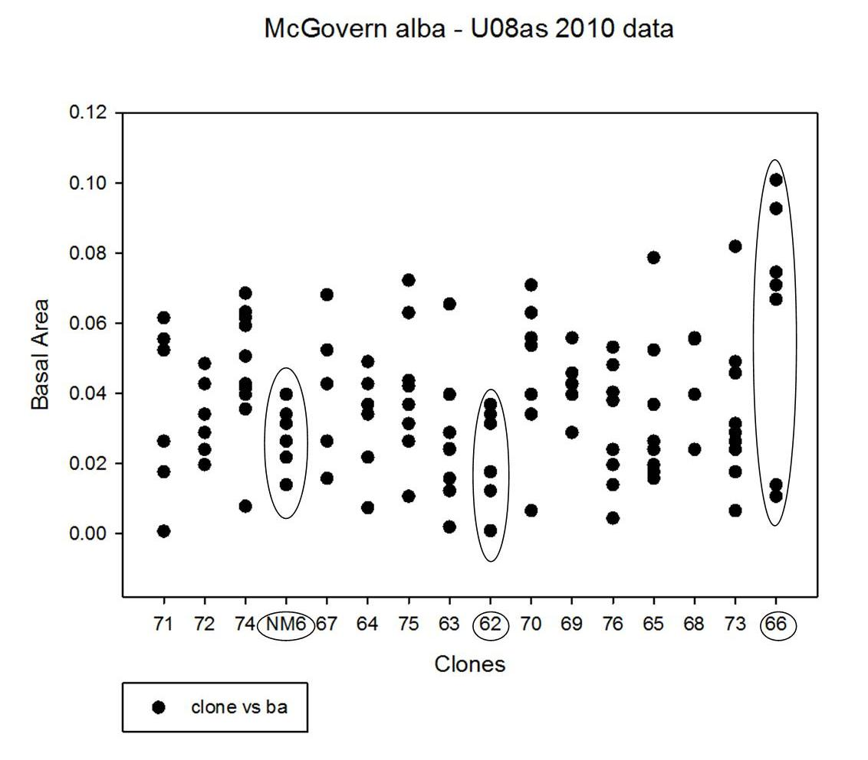

Just for yuks I plotted BA by clone to get an idea of how variable each clone is. The best, worst, and NM6 are circled.

BA plot sm
rep | plot | clone | ht | basm | ba | clone | basm | Sum of basm | Column Labels
2 | 10 | 62 | 8.00 | 0.0001 | 0.0009 | 62 | 0.0001 | Row Labels | 0.0001 | 0.0002 | 0.0004 | 0.0006 | 0.0007 | 0.001 | 0.0011 | 0.0013 | 0.0015 | 0.0016 | 0.0018 | 0.002 | 0.0022 | 0.0023 | 0.0025 | 0.0027 | 0.0029 | 0.0032 | 0.0033 | 0.0034 | 0.0035 | 0.0037 | 0.0039 | 0.004 | 0.0041 | 0.0043 | 0.0045 | 0.0046 | 0.0047 | 0.0049 | 0.005 | 0.0052 | 0.0055 | 0.0057 | 0.0059 | 0.0061 | 0.0062 | 0.0063 | 0.0064 | 0.0066 | 0.0067 | 0.0069 | 0.0073 | 0.0076 | 0.0086 | 0.0094
1 | 57 | 62 | 12.00 | 0.0011 | 0.0123 | 62 | 0.0011 | 62 | 0.0001 |  |  |  |  |  | 0.0011 |  |  | 0.0032 |  |  |  |  |  |  | 0.0029 | 0.0032 |  | 0.0034
2 | 10 | 62 | 16.00 | 0.0016 | 0.0177 | 62 | 0.0016 | 63 |  | 0.0002 |  |  |  |  | 0.0011 |  | 0.0015 |  |  |  | 0.0022 | 0.0023 |  | 0.0027 |  |  |  |  |  | 0.0037 |  |  |  |  |  |  |  |  |  |  |  |  |  | 0.0061
4 | 52 | 62 | 21.00 | 0.0016 | 0.0177 | 62 | 0.0016 | 64 |  |  |  |  | 0.0007 |  |  |  |  |  |  | 0.002 |  |  |  |  |  | 0.0032 |  | 0.0034 |  |  |  | 0.008 |  |  |  | 0.0046
3 | 54 | 62 | 21.00 | 0.0029 | 0.0314 | 62 | 0.0029 | 65 |  |  |  |  |  |  |  |  | 0.0015 | 0.0016 | 0.0018 |  | 0.0022 |  | 0.0025 |  |  |  |  | 0.0034 |  |  |  |  |  |  |  |  |  | 0.0049 |  |  |  |  |  |  |  |  |  |  |  |  | 0.0073
4 | 52 | 62 | 23.50 | 0.0032 | 0.0341 | 62 | 0.0032 | 66 |  |  |  |  |  | 0.001 |  | 0.0013 |  |  |  |  |  |  |  |  |  |  |  |  |  |  |  |  |  |  |  |  |  |  |  |  |  |  |  |  | 0.0062 |  |  | 0.0066 |  | 0.0069 |  |  | 0.0086 | 0.0094
3 | 54 | 62 | 23.00 | 0.0034 | 0.0369 | 62 | 0.0034 | 67 |  |  |  |  |  |  |  |  | 0.0015 |  |  |  |  |  | 0.0025 |  |  |  |  |  |  |  |  | 0.004 |  |  |  |  |  | 0.0049 |  |  |  |  |  |  |  | 0.0063
4 | 5 | 63 | 10.00 | 0.0002 | 0.0020 | 63 | 0.0002 | 68 |  |  |  |  |  |  |  |  |  |  |  |  | 0.0022 |  |  |  |  |  |  |  |  | 0.0037 |  |  |  |  |  |  |  |  |  | 0.0104
4 | 5 | 63 | 17.00 | 0.0011 | 0.0123 | 63 | 0.0011 | 69 |  |  |  |  |  |  |  |  |  |  |  |  |  |  |  | 0.0027 |  |  |  |  |  | 0.0037 |  | 0.004 |  | 0.0043 |  |  |  |  |  | 0.0104
3 | 38 | 63 | 19.00 | 0.0015 | 0.0158 | 63 | 0.0015 | 70 |  |  |  | 0.0006 |  |  |  |  |  |  |  |  |  |  |  |  |  | 0.0032 |  |  |  | 0.0074 |  |  |  |  |  |  |  |  | 0.005 | 0.0052 |  |  | 0.0059 |  |  |  |  | 0.0066
1 | 40 | 63 | 19.00 | 0.0022 | 0.0241 | 63 | 0.0022 | 71 | 0.0001 |  |  |  |  |  |  |  |  | 0.0016 |  |  |  |  | 0.0025 |  |  |  |  |  |  |  |  |  |  |  |  |  |  | 0.0049 |  | 0.0052 |  | 0.0057
1 | 40 | 63 | 20.50 | 0.0023 | 0.0243 | 63 | 0.0023 | 72 |  |  |  |  |  |  |  |  |  |  | 0.0018 |  | 0.0022 |  |  | 0.0027 |  | 0.0032 |  |  |  |  |  | 0.004 |  |  | 0.009
2 | 34 | 63 | 22.50 | 0.0027 | 0.0289 | 63 | 0.0027 | 73 |  |  |  | 0.0006 |  |  |  |  |  | 0.0016 |  |  | 0.0022 |  | 0.0025 | 0.0027 | 0.0029 |  |  |  |  |  |  |  |  | 0.0043 |  | 0.0046 |  |  |  |  |  |  |  |  |  |  |  |  |  |  |  | 0.0076
3 | 38 | 63 | 24.00 | 0.0037 | 0.0398 | 63 | 0.0037 | 74 |  |  |  |  | 0.0007 |  |  |  |  |  |  |  |  |  |  |  |  |  | 0.0033 |  |  | 0.0037 | 0.0039 | 0.004 |  |  |  |  | 0.0047 |  |  |  | 0.0055 | 0.0057 | 0.0059 |  |  |  | 0.0064
2 | 34 | 63 | 22.00 | 0.0061 | 0.0655 | 63 | 0.0061 | 75 |  |  |  |  |  | 0.001 |  |  |  |  |  |  |  |  | 0.005 |  | 0.0029 |  |  | 0.0034 |  |  | 0.0039 |  | 0.0041 |  |  |  |  |  |  |  |  |  | 0.0059 |  |  |  |  |  | 0.0067
3 | 14 | 64 | 15.50 | 0.0007 | 0.0074 | 64 | 0.0007 | 76 |  |  | 0.0004 |  |  |  |  | 0.0013 |  |  | 0.0036 |  | 0.0044 |  |  |  |  |  |  |  | 0.0035 | 0.0037 |  |  |  |  | 0.0045 |  |  | 0.0049
4 | 44 | 64 | 18.00 | 0.002 | 0.0218 | 64 | 0.002 | NM6 |  |  |  |  |  |  |  | 0.0026 |  |  |  | 0.002 |  |  | 0.0025 |  | 0.0029 | 0.0032 |  |  |  | 0.0037
4 | 44 | 64 | 22.50 | 0.0032 | 0.0341 | 64 | 0.0032
3 | 14 | 64 | 23.00 | 0.0034 | 0.0369 | 64 | 0.0034
1 | 48 | 64 | 21.50 | 0.004 | 0.0428 | 64 | 0.004
2 | 7 | 64 | 23.00 | 0.004 | 0.0428 | 64 | 0.004
1 | 48 | 64 | 24.50 | 0.0046 | 0.0491 | 64 | 0.0046
4 | 60 | 65 | 18.50 | 0.0015 | 0.0158 | 65 | 0.0015
4 | 60 | 65 | 17.00 | 0.0016 | 0.0177 | 65 | 0.0016
2 | 31 | 65 | 17.50 | 0.0018 | 0.0197 | 65 | 0.0018
1 | 17 | 65 | 18.00 | 0.0022 | 0.0241 | 65 | 0.0022
3 | 19 | 65 | 19.00 | 0.0025 | 0.0264 | 65 | 0.0025
2 | 31 | 65 | 20.00 | 0.0034 | 0.0369 | 65 | 0.0034
1 | 17 | 65 | 21.00 | 0.0049 | 0.0524 | 65 | 0.0049
3 | 19 | 65 | 22.00 | 0.0073 | 0.0788 | 65 | 0.0073
3 | 27 | 66 | 20.00 | 0.001 | 0.0107 | 66 | 0.001
2 | 55 | 66 | 15.00 | 0.0013 | 0.0140 | 66 | 0.0013
4 | 53 | 66 | 24.50 | 0.0062 | 0.0668 | 66 | 0.0062
3 | 27 | 66 | 22.00 | 0.0066 | 0.0710 | 66 | 0.0066
1 | 33 | 66 | 22.00 | 0.0069 | 0.0746 | 66 | 0.0069
1 | 33 | 66 | 22.00 | 0.0086 | 0.0927 | 66 | 0.0086
4 | 53 | 66 | 24.50 | 0.0094 | 0.1009 | 66 | 0.0094
3 | 59 | 67 | 18.00 | 0.0015 | 0.0158 | 67 | 0.0015
3 | 59 | 67 | 20.50 | 0.0025 | 0.0264 | 67 | 0.0025
4 | 45 | 67 | 21.00 | 0.004 | 0.0428 | 67 | 0.004
1 | 8 | 67 | 20.50 | 0.0049 | 0.0524 | 67 | 0.0049
2 | 58 | 67 | 22.50 | 0.0063 | 0.0682 | 67 | 0.0063
4 | 20 | 68 | 18.00 | 0.0022 | 0.0241 | 68 | 0.0022
2 | 18 | 68 | 20.00 | 0.0037 | 0.0398 | 68 | 0.0037
3 | 30 | 68 | 24.00 | 0.0052 | 0.0559 | 68 | 0.0052
3 | 30 | 68 | 21.50 | 0.0052 | 0.0555 | 68 | 0.0052
1 | 49 | 69 | 19.50 | 0.0027 | 0.0289 | 69 | 0.0027
4 | 12 | 69 | 21.50 | 0.0037 | 0.0398 | 69 | 0.0037
2 | 39 | 69 | 23.50 | 0.004 | 0.0428 | 69 | 0.004
3 | 22 | 69 | 22.00 | 0.0043 | 0.0459 | 69 | 0.0043
1 | 49 | 69 | 22.00 | 0.0052 | 0.0559 | 69 | 0.0052
2 | 39 | 69 | 23.00 | 0.0052 | 0.0559 | 69 | 0.0052
4 | 36 | 70 | 14.00 | 0.0006 | 0.0066 | 70 | 0.0006
4 | 36 | 70 | 21.00 | 0.0032 | 0.0341 | 70 | 0.0032
1 | 41 | 70 | 20.00 | 0.0037 | 0.0398 | 70 | 0.0037
2 | 26 | 70 | 22.00 | 0.0037 | 0.0398 | 70 | 0.0037
2 | 26 | 70 | 24.00 | 0.005 | 0.0537 | 70 | 0.005
1 | 41 | 70 | 23.00 | 0.0052 | 0.0559 | 70 | 0.0052
3 | 11 | 70 | 24.00 | 0.0059 | 0.0630 | 70 | 0.0059
3 | 11 | 70 | 21.50 | 0.0066 | 0.0710 | 70 | 0.0066
2 | 15 | 71 | 9.00 | 0.0001 | 0.0007 | 71 | 0.0001
1 | 56 | 71 | 17.00 | 0.0016 | 0.0177 | 71 | 0.0016
1 | 56 | 71 | 18.00 | 0.0025 | 0.0264 | 71 | 0.0025
3 | 3 | 71 | 21.00 | 0.0049 | 0.0524 | 71 | 0.0049
4 | 21 | 71 | 20.00 | 0.0052 | 0.0555 | 71 | 0.0052
3 | 3 | 71 | 21.00 | 0.0057 | 0.0616 | 71 | 0.0057
3 | 51 | 72 | 22.00 | 0.0018 | 0.0197 | 72 | 0.0018
4 | 4 | 72 | 21.00 | 0.0022 | 0.0241 | 72 | 0.0022
2 | 47 | 72 | 21.00 | 0.0027 | 0.0289 | 72 | 0.0027
2 | 47 | 72 | 23.50 | 0.0032 | 0.0341 | 72 | 0.0032
1 | 25 | 72 | 23.00 | 0.004 | 0.0428 | 72 | 0.004
1 | 25 | 72 | 22.00 | 0.0045 | 0.0485 | 72 | 0.0045
3 | 51 | 72 | 23.00 | 0.0045 | 0.0485 | 72 | 0.0045
2 | 23 | 73 | 12.60 | 0.0006 | 0.0066 | 73 | 0.0006
1 | 24 | 73 | 15.00 | 0.0016 | 0.0177 | 73 | 0.0016
3 | 46 | 73 | 20.50 | 0.0022 | 0.0241 | 73 | 0.0022
1 | 24 | 73 | 18.00 | 0.0025 | 0.0264 | 73 | 0.0025
4 | 37 | 73 | 21.50 | 0.0027 | 0.0289 | 73 | 0.0027
2 | 23 | 73 | 20.60 | 0.0029 | 0.0314 | 73 | 0.0029
3 | 46 | 73 | 23.00 | 0.0046 | 0.0491 | 73 | 0.0043
4 | 37 | 73 | 23.00 | 0.0076 | 0.0819 | 73 | 0.0046
1 | 9 | 74 | 18.00 | 0.0033 | 0.0356 | 73 | 0.0076
2 | 42 | 74 | 22.50 | 0.0037 | 0.0398 | 74 | 0.0007
2 | 42 | 74 | 21.50 | 0.0039 | 0.0415 | 74 | 0.0033
1 | 9 | 74 | 18.00 | 0.004 | 0.0428 | 74 | 0.0037
4 | 13 | 74 | 20.00 | 0.0047 | 0.0507 | 74 | 0.0039
3 | 43 | 74 | 24.00 | 0.0055 | 0.0594 | 74 | 0.004
3 | 43 | 74 | 23.50 | 0.0057 | 0.0617 | 74 | 0.0047
4 | 13 | 74 | 22.00 | 0.0059 | 0.0633 | 74 | 0.0055
1 | 16 | 75 | 14.00 | 0.001 | 0.0107 | 74 | 0.0057
3 | 6 | 75 | 20.50 | 0.0025 | 0.0264 | 74 | 0.0059
4 | 29 | 75 | 17.00 | 0.0025 | 0.0264 | 74 | 0.0064
1 | 16 | 75 | 18.50 | 0.0029 | 0.0314 | 75 | 0.001
3 | 6 | 75 | 23.00 | 0.0034 | 0.0369 | 75 | 0.0025
2 | 50 | 75 | 21.00 | 0.0041 | 0.0437 | 75 | 0.0025
4 | 29 | 75 | 23.00 | 0.0059 | 0.0630 | 75 | 0.0029
2 | 50 | 75 | 22.00 | 0.0067 | 0.0723 | 75 | 0.0034
2 | 101 | 76 | 9.50 | 0.0004 | 0.0044 | 75 | 0.0039
4 | 28 | 76 | 14.50 | 0.0013 | 0.0140 | 75 | 0.0041
1 | 32 | 76 | 15.00 | 0.0018 | 0.0197 | 75 | 0.0059
2 | 101 | 76 | 16.00 | 0.0018 | 0.0197 | 75 | 0.0067
1 | 32 | 76 | 16.50 | 0.0022 | 0.0241 | 76 | 0.0004
4 | 28 | 76 | 16.00 | 0.0035 | 0.0380 | 76 | 0.0013
3 | 35 | 76 | 19.50 | 0.0045 | 0.0482 | 76 | 0.0018
3 | 35 | 76 | 20.50 | 0.0049 | 0.0532 | 76 | 0.0018
1 | 61 | NM6 | 13.50 | 0.0013 | 0.0140 | 76 | 0.0022
4 | 64 | NM6 | 14.00 | 0.0013 | 0.0140 | 76 | 0.0022
2 | 62 | NM6 | 16.00 | 0.002 | 0.0218 | 76 | 0.0035
1 | 61 | NM6 | 15.50 | 0.0025 | 0.0264 | 76 | 0.0037
3 | 63 | NM6 | 20.00 | 0.0029 | 0.0314 | 76 | 0.0045
3 | 63 | NM6 | 18.00 | 0.0032 | 0.0341 | 76 | 0.0049
4 | 64 | NM6 | 19.00 | 0.0037 | 0.0398 | NM6 | 0.0013
 |  |  |  |  |  | NM6 | 0.0013
 |  |  |  |  |  | NM6 | 0.002
 |  |  |  |  |  | NM6 | 0.0025
 |  |  |  |  |  | NM6 | 0.0029
 |  |  |  |  |  | NM6 | 0.0032
 |  |  |  |  |  | NM6 | 0.0037

